Sheet1
Image |  |  |  | Size |  |  |  | All Pieces | Color | Material
 | 40 | 41 | 42 | 43 | 44 | 45 | 46
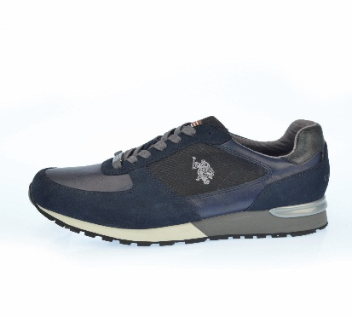 | 0 | 0 | 0 | 0 | 1 | 1 | 1 | 3 PCS | Blue | Eco Leather
 | 1 | 0 | 1 | 0 | 0 | 0 | 0 | 2 PCS | Blue | Eco Leather
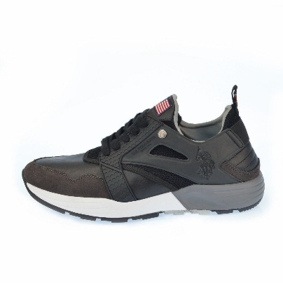 | 0 | 0 | 0 | 1 | 1 | 1 | 1 | 4 PCS | Black | Eco Leather
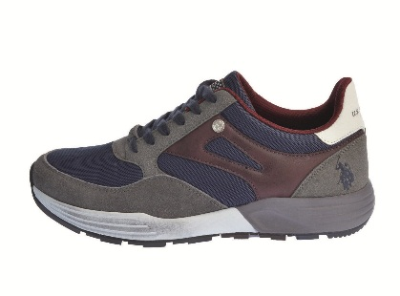 | 0 | 1 | 1 | 1 | 1 | 0 | 0 | 4 PCS | Grey | Eco Leather
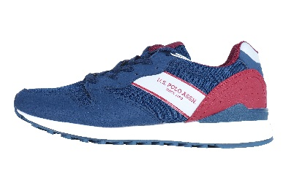 | 1 | 1 | 1 | 1 | 1 | 0 | 0 | 5 PCS | Blue | Eco Leather
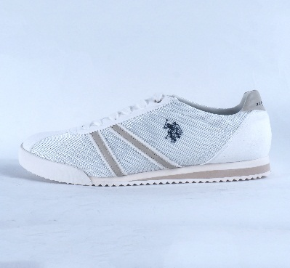 | 1 | 2 | 3 | 3 | 2 | 1 | 0 | 12 PCS | White | Canvas
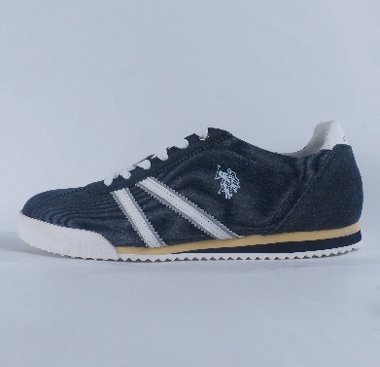 | 2 | 2 | 4 | 4 | 2 | 2 | 0 | 16 PCS | Blue | Canvas
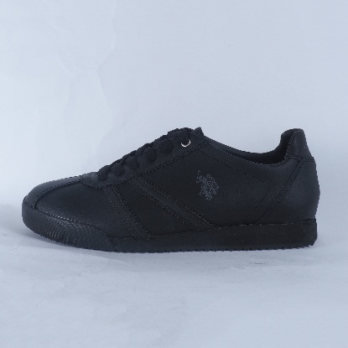 | 1 | 2 | 3 | 3 | 2 | 1 | 0 | 12 PCS | Black | Action Leather
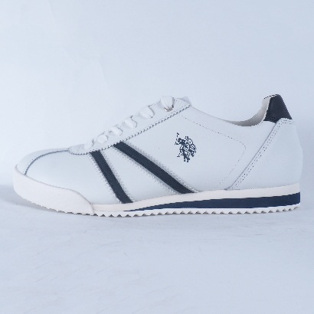 | 2 | 2 | 4 | 4 | 2 | 2 | 0 | 16 PCS | White | Action Leather
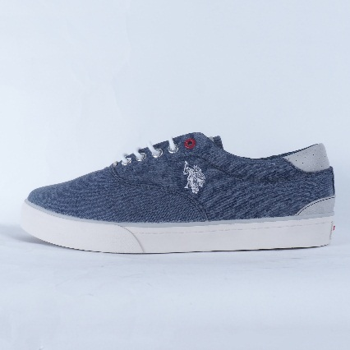 | 1 | 1 | 2 | 2 | 1 | 1 | 0 | 8 PCS | Blue | Canvas
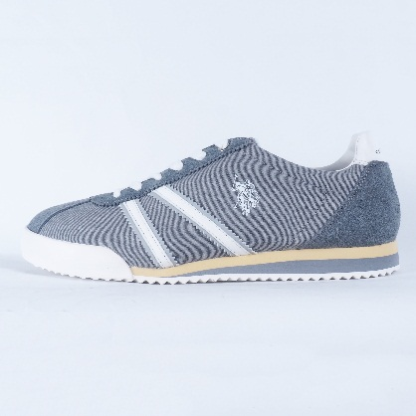 | 1 | 2 | 3 | 3 | 2 | 1 | 0 | 12 PCS | Blue | Canvas
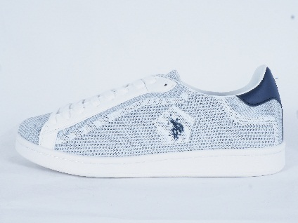 | 1 | 2 | 3 | 3 | 2 | 1 | 0 | 12 PCS | White | Canvas Mesh
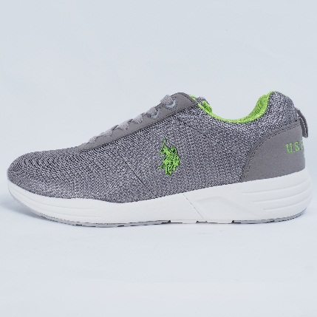 | 1 | 2 | 3 | 3 | 2 | 1 | 0 | 12 PCS | Grey | Mesh
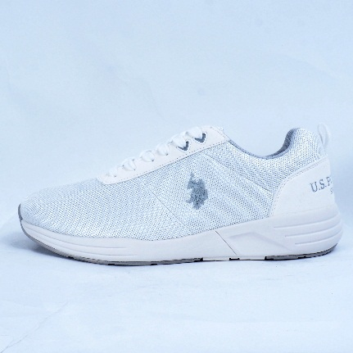 | 1 | 2 | 3 | 3 | 2 | 1 | 0 | 12 PCS | White | Mesh
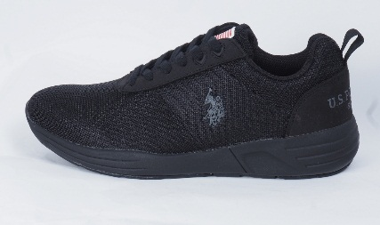 | 1 | 2 | 3 | 3 | 2 | 1 | 0 | 12 PCS | Black | Mesh
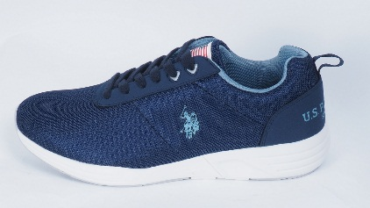 | 1 | 2 | 3 | 3 | 2 | 1 | 0 | 12 PCS | Blue | Mesh
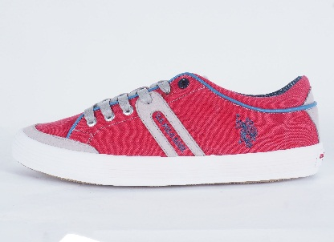 | 1 | 2 | 3 | 3 | 2 | 1 | 0 | 12 PCS | Red | Canvas
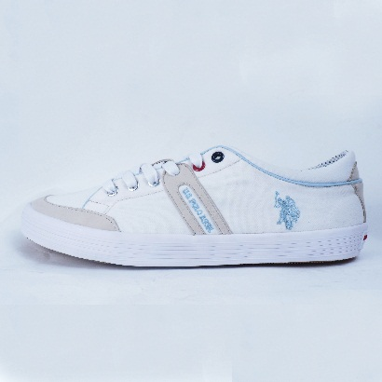 | 1 | 2 | 3 | 3 | 2 | 1 | 0 | 12 PCS | White | Canvas
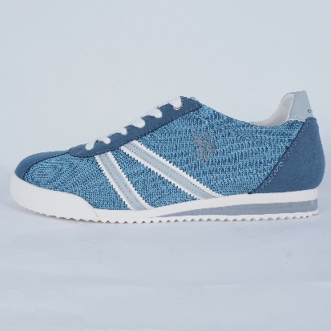 | 1 | 2 | 5 | 4 | 3 | 1 | 0 | 16 PCS | Blue | Mesh

